查询过滤规则
定义-README
标准探测：通过nessus标准资产plugin，不限于remote、local或combine
安装枚举：通过nessus标准安装枚举plugin
进程枚举：通过Nessus标准进程枚举plugin
自定义探测: 通过基于Custom Audit的自定义探测

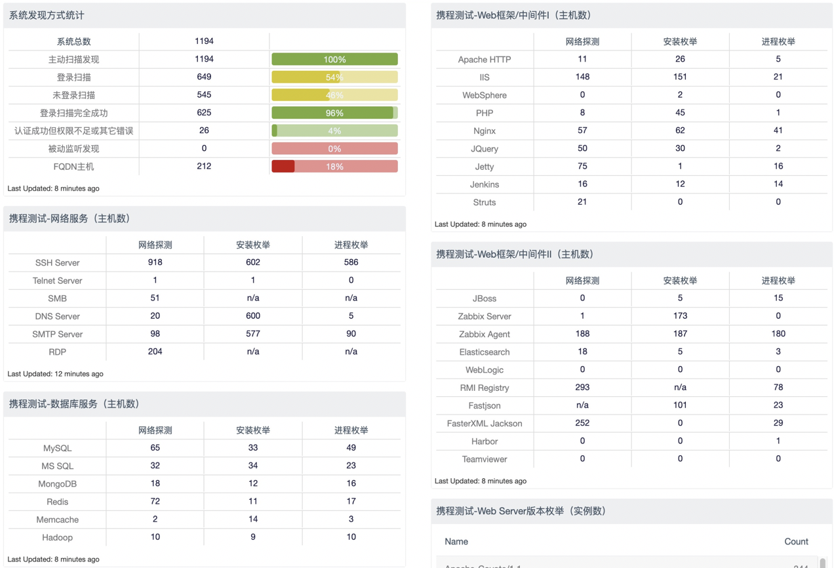
 | 标准探测 | 安装枚举 | 进程枚举 | 自定义探测 | 仪表盘示例
weblogic | Plugin ID is '44315,56979,57793,73913,88087,109430,109431,109552,109553,121396' | Plugin Text Regex Match '(WebLogic Platform)|(-Dweblogic.+)|(Oracle WebLogic)|([Ww]eb[Ll]ogic)' where plugin ID is '77027,71642,71643,22869,20811,118237' | Plugin Text Regex Match '[Ww]eb[Ll]ogic|wls' where plugin ID is '25221,34252,44401,70329,110483' | Severity is 'Info' where Plugin Name Contains 'Custom Asset Discovery WebLogic'
tomcat | Plugin ID is '39446' | Plugin Text Regex Match '(tomcat\d+-\d\..+)|(Apache Tomcat \d.+)' where plugin ID is '22869,20811,118237' | Plugin Text Regex Match '(bin/tomcat)|(bin\tomcat)|(tomcat\d+.exe)' where plugin ID is '25221,34252,44401,70329,110483' | Severity is 'Info' where Plugin Name Contains 'Custom Asset Discovery Tomcat'
fastjson | n/a | Plugin Text Contains 'fastjson' where plugin ID is '22869,20811,118237' | Plugin Text Regex Match 'fastjson-\d.+jar' where plugin ID is '25221,34252,44401,70329,110483' | Severity is 'Info' where Plugin Name Contains 'Custom Asset Discovery Fastjson'
nginx | Plugin ID is '106375,124336' | Plugin Text Contains 'nginx' where plugin ID is '22869,20811' | Plugin Text Regex Match '(nginx)|(\/sbin\/nginx)|(nginx.exe)' where plugin ID is '25221,34252,44401,70329,110483' | Severity is 'Info' where Plugin Name Contains 'Custom Asset Discovery Nginx'
apache http | Plugin ID is '48204' | Plugin Text Regex Match '(\shttpd-\d.+)|(Apache HTTP Server \d.+)' where plugin ID is '22869,20811' | Plugin Text Regex Match 'bin/httpd|pache [Hh][Tt][Tt][Pp]' where plugin ID is '25221,34252,44401,70329,110483' | Severity is 'Info' where Plugin Name Contains 'Custom Asset Discovery Apache'
struts2 | Plugin Text Contains 'struts2' where plugin ID is '73943,99671' | Plugin Text Contains 'struts2' where plugin ID is '22869,20811,118237' | Plugin Text Contains 'struts2' where plugin ID is '25221,34252,44401,70329,110483' | n/a
redis | Plugin ID is '100635' | Plugin Text Regex Match '(redis-\d.+)|(\sredis-\d.+)|(Redis on)' where plugin ID is '22869,20811,118237' | Plugin Text Contains 'redis-server' where plugin ID is '25221,34252,44401,70329,110483' | Severity is 'Info' where Plugin Name Contains 'Custom Asset Discovery Redis'
PHP | Plugin Text Contains 'php' where plugin ID is '48243,10107,11229,57323,48204' | Plugin Text Regex Match 'php-\d.+' where plugin ID is '22869,20811' | Plugin Text Contains 'php' where plugin ID is '25221,34252,44401,70329,110483' | Severity is 'Info' where Plugin Name Contains 'Custom Asset Discovery PHP'
sql server | Plugin ID is '10144,10674,11217,64784,69482,108409' | Plugin Text Contains 'sql server 2' where plugin ID is '20811' | Plugin Text Contains 'sqlservr' where plugin ID is '34252,44401,70329' | n/a
vmware系列 | Plugin ID is '26200,20301,57396,63061' | n/a | n/a | n/a
elasticsearch | Plugin ID is '109941' | Plugin Text Contains 'elasticsearch' where plugin ID is '22869,20811' | Plugin Text Contains 'elasticsearch' where plugin ID is '25221,34252,44401,70329,110483' | n/a
shellshock (bash) | CVE-ID is CVE-2014-6278,CVE-2014-7187,CVE-2014-7186,CVE-2014-6277,CVE-2014-7169,CVE-2014-6271 | Plugin Text Regex Match 'bash-\d+' where plugin ID is '22869' | Plugin Text Contains 'bash' where plugin ID is '25221,110483' | n/a
citrix netscaler | Plugin ID is '29222,73204,118087' | n/a | n/a | n/a
citrix xenserver | Plugin ID is '74327,76770,58209,58749,58809' | n/a | n/a | n/a
F5 | Plugin ID is '30215,30216,73948,73949,76332,76940,95387' | n/a | n/a | n/a
mysql | Plugin ID is '10719,46815,52053,57558,129468,130626,130627' | Plugin Text Regex Match '(mysql-\d.+)|(MySQL Server \d.+)|(mariadb-\d.+)|(mariadb-server)' where plugin ID is '22869,20811' | Plugin Text Contains 'mysqld' where plugin ID is '25221,34252,44401,70329,110483' | n/a
webmin | Plugin ID is '10757' | （无样本） | （无样本） | n/a
SMTP (server) | Plugin ID is '10263,18528,108659' | （无样本） | Plugin Text Contains 'smtp' where plugin ID is '25221,34252,44401,70329,110483' | n/a
IBM Domino | Plugin ID is '27855,55818,59852' | （无样本） | （无样本） | n/a
SSH Server | Plugin ID is '10267,110293' | Plugin Text Regex Match '(ssh-server)|(SSH Server)' where plugin ID is '22869,20811' | Plugin Text Regex Match '(sshd)|([Ss][Ss][Hh] [Ss]erver)|([Ss][Ss][Hh][Ss]e)' where plugin ID is '25221,34252,44401,70329,110483' | n/a
Telnet Server | Plugin ID is '10280,10281' | Plugin Text Regex Match '(telnet-server)|([Tt]elnet [Ss]erver)' where plugin ID is '22869,20811' | Plugin Text Regex Match 'tlntsvr.exe' where plugin ID is '34252,44401,70329' | n/a
SMB | Plugin ID is '97086,11011,25240,96982,100871,106716' | n/a | n/a | n/a
DNS Server | Plugin ID is '11002,11951,34043,72779,72780,76798,87872' | （无样本） | Plugin Text Regex Match '(named)|(dns\.exe)' where plugin ID is '25221,34252,44401,70329,110483' | n/a
MongoDB | Plugin ID is '65914,65915' | Plugin Text Contains 'mongodb' where plugin ID is '22869,20811' | Plugin Text Regex Match '(mongod)|(mongo\.exe)|(MongoDB)' where plugin ID is '25221,34252,44401,70329,110483' | n/a
Memcache | Plugin ID is '67023,26197' | Plugin Text Regex Match '\smemcached-\d.+' where plugin ID is '22869,20811' | Plugin Text Regex Match '(memcached.exe)|(bin/memcached)' where plugin ID is '25221,34252,44401,70329,110483' | n/a
Hadoop | Plugin ID is '50304,50305,50306,50307,117616' | Plugin Text Contains 'hadoop' where plugin ID is '22869,20811,118237' | Plugin Text Contains 'hadoop' where plugin ID is '25221,34252,44401,70329,110483' | n/a
IIS | Plugin Text contains 'iis' where plugin ID is '10107,11699' | n/a | Plugin Text Regex Match '(iisrstas.exe)|(W3SVC)' where plugin ID is '25221,34252,44401,70329,110483' | n/a
Websphere | Plugin ID is equal to '31411,57034,57708,70069,72644,92725' | Plugin Text Contains 'websphere' where plugin ID is '22869,20811' | Plugin Text Contains 'websphere' where plugin ID is '25221,34252,44401,70329,110483' | n/a
Jquery | Plugin ID is '106658' | Plugin Text Contains 'jquery' where plugin ID is '22869,20811,118237' | Plugin Text Contains 'jquery' where plugin ID is '25221,34252,44401,70329,110483' | n/a
Jetty | Plugin Text Contains 'jetty' where plugin ID is '10107' | Plugin Text Contains 'jetty' where plugin ID is '118237' | Plugin Text Contains 'jetty' where plugin ID is '25221,34252,44401,70329,110483' | n/a
Jenkins | Plugin ID is '65054,129098,130366,130595,130596' | Plugin Text Contains 'jenkins' where plugin ID is '22869,20811,118237' | Plugin Text Contains 'jenkins' where plugin ID is '25221,34252,44401,70329,110483' | n/a
JBoss | Plugin ID is '66189,72202,91488,121516' | Plugin Text Contains 'jboss' where plugin ID is '22869,20811,118237,71642' | Plugin Text Contains 'jboss' where plugin ID is '25221,34252,44401,70329,110483' | n/a
Zabbix Server | Plugin ID is '22526,35786' | Plugin Text Regex Match 'zabbix-\d' where plugin ID is '22869,20811' | Plugin Text Regex Match 'zabbix.server' where plugin ID is '25221,34252,44401,70329,110483' | n/a
Zabbix Agent | Plugin Text Contains 'zabbix agent' where plugin ID is '11153' | Plugin Text Regex Match 'zabbix.agent' where plugin ID is '22869,20811' | Plugin Text Contains 'zabbix_agent' where plugin ID is '25221,34252,44401,70329,110483' | n/a
RMI Registry | Plugin ID is '22227' | n/a | （无样本） | n/a
FasterXML Jackson | Plugin ID is '111679' | Plugin Text Contains 'jackson' where plugin ID is '22869,20811,118237' | Plugin Text Contains 'jackson' where plugin ID is '25221,34252,44401,70329,110483' | n/a
Harbor | Plugin ID is '129979,130456' | n/a | Plugin Text Contains 'harbor' where plugin ID is '25221,34252,44401,70329,110483' | n/a
shiro | Plugin ID is '50600' | Plugin Text Regex Match '(shiro-.+.jar)|(shiro-\d+)' where plugin ID is '22869,20811,118237' | （无样本） | n/a
spring | Plugin ID is '123005,134042,134043,134044,134045,134046,134047,134048,134049,134050,134051,134052' | Plugin Text Regex Match 'spring-.+.jar' where plugin ID is '22869,20811,118237' | Plugin Text Regex Match 'spring-.+.jar' where plugin ID is '25221,34252,44401,70329,110483' | n/a
apache dubbo | （无样本） | Plugin Text Regex Match 'dubbo-.+.jar' where plugin ID is '22869,20811,118237' | Plugin Text Regex Match 'dubbo-.+.jar' where plugin ID is '25221,34252,44401,70329,110483' | n/a
freemarker | （无样本） | Plugin Text Regex Match 'freemarker-.+.jar' where plugin ID is '22869,20811,118237' | Plugin Text Regex Match 'freemarker-.+.jar' where plugin ID is '25221,34252,44401,70329,110483' | n/a
quartz | （无样本） | Plugin Text Regex Match 'quartz-d.+jar' where plugin ID is '22869,20811,118237' | （无样本） | n/a
apache axis | Plugin ID is '46739' | Plugin Text Regex Match '(axis\d.+.jar)|(axis.+.jar)|(axis\.jar)' where plugin ID is '22869,20811,118237' | （无样本） | n/a
hibernate | （无样本） | Plugin Text Regex Match '(hibernate-.*.jar)|(hibernate.jar)' where plugin ID is '22869,20811,118237,118238' | Plugin Text Regex Match '(hibernate-.*.jar)|(hibernate.jar)' where plugin ID is '25221,34252,44401,70329,110483' | n/a
apache cas | （无样本） | Plugin Text Contains 'cas-server' where plugin ID is '22869,20811,118237' | （无样本） | n/a
Salt master | n/a | Plugin Text Contains 'salt-master' where plugin ID is '22869,20811,118237' | Plugin Text Contains 'salt-master' where plugin ID is '25221,34252,44401,70329,110483' | n/a
Salt minion | n/a | Plugin Text Regex Match '([Ss]alt [Mm]inion)|(salt-minion)|(salt\/minion)' where plugin ID is '22869,20811,118237' | Plugin Text Contains 'salt-minion' where plugin ID is '25221,34252,44401,70329,110483' | n/a
Puppet master | Plugin ID is '66233,66234' | Plugin Text Contains 'puppet-server' where plugin ID is '22869,20811,118237' | Plugin Text Regex Match 'bin\/puppet master' where plugin ID is '25221,34252,44401,70329,110483' | n/a
Puppet agent | n/a | Plugin Text Regex Match '([Pp]uppet.+\[version)|(puppet-\d)' where plugin ID is '22869,20811,118237' | Plugin Text Regex Match '(bin\/puppet agent)|([Pp]uppet [Aa]gent)' where plugin ID is '25221,34252,44401,70329,110483' | n/a

